Sheet7
GenderCode | (ALL)

Count of FirstName | Performance Score
BusinessUnit | Exceeds | Fully Meets | Needs Improvement | PIP | Grand Total
BPC | 36 | 235 | 24 | 8 | 303
CCDR | 39 | 234 | 17 | 10 | 300
EW | 39 | 240 | 16 | 7 | 302
MSC | 39 | 226 | 20 | 11 | 296
NEL | 30 | 251 | 11 | 12 | 304
PL | 34 | 241 | 16 | 10 | 301
PYZ | 35 | 228 | 23 | 13 | 299
SVG | 46 | 233 | 20 | 5 | 304
TNS | 41 | 233 | 15 | 8 | 297
WBL | 30 | 240 | 15 | 9 | 294
Grand Total | 369 | 2361 | 177 | 93 | 3000

EMPLOYEE PERFORM ANCE ANAYSIS

Sheet1
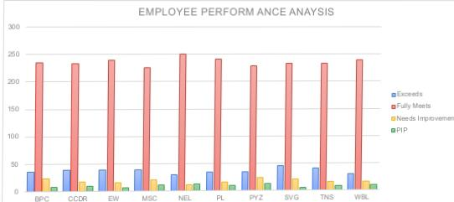
Gend erCode | (ALL) | Funy Wet' | Needs Improvement | PIP | Grand TOPI
Count Of FirstName BusinessUnit | Performance Score • Exceds
B pc | 36 | 235 | 24 | 8 | 303
CCDR | 39 | 0.234 | 17 | 10 | 3
EW | 0.39 | 240 | 16 | 7 | 302
MSC | 39 | 2.26 | 2 | 11 | 296
NEL | 30 | 251 | 11 | 12 | 304
PL | 34 | 241 | 16 | 10 | 301
PYZ | 0.35 | 2.28 | 23 | 13 | 299
SVG | 46 | 23.3 | 20 | 5 | 304
TNS | 41 | 233 | 15 | 8 | 297
wac | 3 | 240 | 15 | 9 | 294
Grand Total | 369 | 2361 | 177 | 93 | 3000

